Application Screen
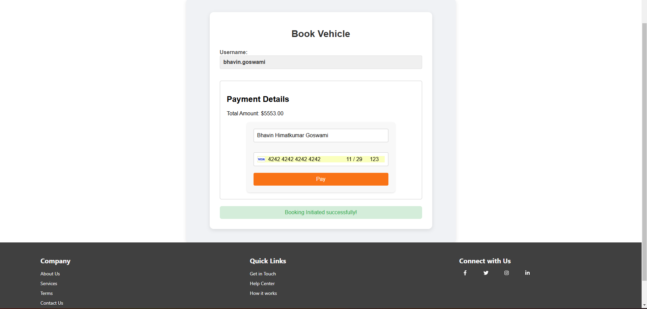

Test Case 12
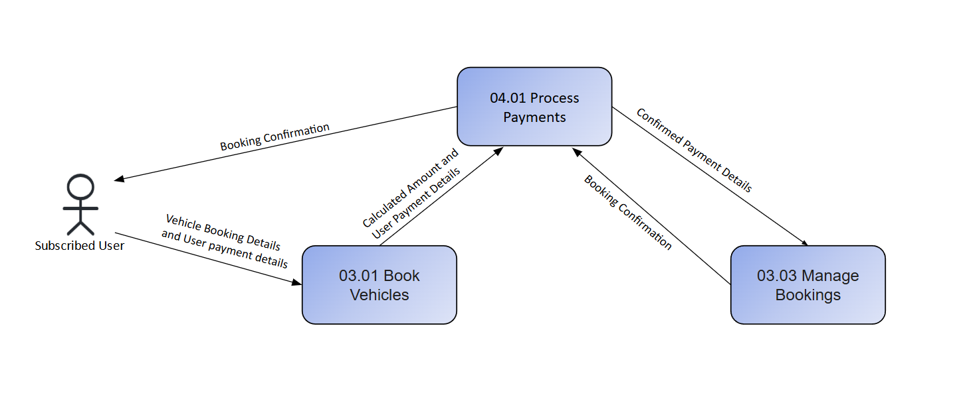
TC Title: | TC12. Process Payments - Data Flow In Testing

TC Objective: | The objective of this test case is to confirm that when initiating a payment, the EzCars application accurately retrieves the required data from the backend, specifically from the Bookings module. This ensures data consistency and integrity, reflecting up-to-date and accurate information for payment processing without discrepancies or errors.

Test Data (optional):

TC Description
 | Step | Step Description | Expected Results
 | 1 | Log in to the EzCars application and navigate to the booking form. | The booking form should be accessible and display all required fields for the booking process.
 | 2 | Complete the booking form and proceed to the payment page. | Verify that all booking details (e.g., Pick-Up Date, Drop-Off Date, Locations) are correctly displayed on the payment page.
 | 3 | Navigate to the "Username" field. | Verify that the field is pre-populated with the logged-in user’s name from the database.
 | 4 | Observe the total payable amount. | Verify that the amount displayed matches the calculated cost based on booking details.
 | 5 | Submit the payment with the calculated total amount. | Verify that the booking confirmation pop-up has same details.

